Hoja1
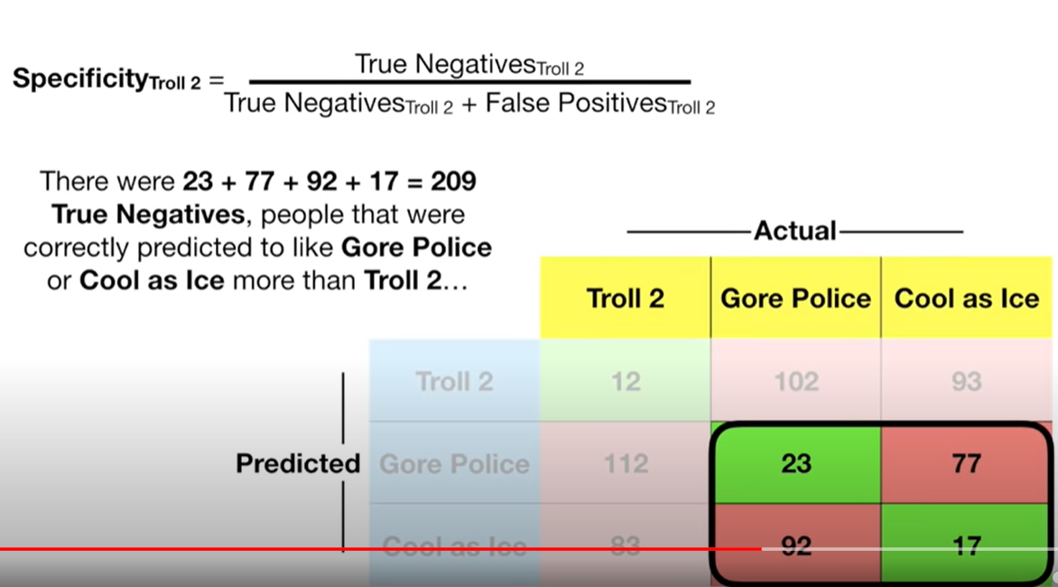

 |  | Troll 2 | Gore Police | Cool as Ice |  |  | Troll 2 | Not Troll
 | Troll 2 | 12 | 102 | 93 |  | Troll 2 | 12 | 102 | 93
 | Gore Police | 112 | 23 | 77 | -> | Not Troll | 112 | 23 | 77
 | Cool as Ice | 83 | 92 | 17 |  |  | 83 | 92 | 17

 |  |  |  |  |  |  | Troll 2 | Not Troll
 |  |  |  |  |  | Troll 2 | 12 | 195
 |  |  |  |  |  | Not Troll | 195 | 209

 |  | Actual
 |  | Not Gore | Gore Police | Not Gore
PREDICT | Not Gore | 12 | 102 | 93
 | Gore Police | 112 | 23 | 77 | ->
 | Not Gore | 83 | 92 | 17

 |  |  |  |  |  |  | Gore Police | Not Gore
 |  |  |  |  |  | Gore Police | 23 | 189
 |  |  |  |  |  | Not Gore | 194 | 205

